Roadmap
Roadmap --- Ø 8-1/2" 613-XR(K)(BR)

Midland Basin ---VCL Run

 |  |  |  |  |  | 0.4 |  |  |  | On Bottom
Depth | Formation | Characteristics | WOB | Rotary | Total | Flow | Expected ROP |  | DOC | Section | Cumulative
(ft) |  |  | (KLBS) | (rpm) | (rpm) | (GPM) | (ft/hr) |  | (in/rev) | (hrs) | (hrs) | ROP
700 - 1520 | Dockum | Red bed, Sand | 30 - 45 | 65 - 75 | 345 - 355 | 700 | 250 - 350 | 300 | ≈0.171 | 2.7 | 2.7 | 300
1520 - 1750 | Santa Rosa | Sand | 30 - 45 | 65 - 75 | 345 - 355 | 700 | 200 - 250 | 225 | ≈0.129 | 1.0 | 3.8 | 280
1750 - 2750 | Rustler | Sand, Anyhydrite | 30 - 45 | 65 - 75 | 345 - 355 | 700 | 200 - 250 | 225 | ≈0.129 | 4.4 | 8.2 | 250
2750 - 2800 | Salado | Salt, Anyhydrite Stringers | 30 - 45 | 65 - 75 | 345 - 355 | 700 | 175 - 200 | 187.5 | ≈0.107 | 0.3 | 8.5 | 248
2800 - 3050 | Tansill | Anyhydrite | 30 - 45 | 65 - 75 | 345 - 355 | 700 | 175 - 200 | 187.5 | ≈0.107 | 1.3 | 9.8 | 240
3050 - 3200 | Yates | Sand, Anyhydrite Stringers, Shale | 30 - 45 | 65 - 75 | 345 - 355 | 700 | 160 - 175 | 167.5 | ≈0.096 | 0.9 | 10.7 | 234
3200 - 3750 | Seven Rivers | Limey Anyhydrite and Salt Stringers | 30 - 45 | 65 - 75 | 345 - 355 | 700 | 160 - 175 | 167.5 | ≈0.096 | 3.3 | 14.0 | 218
3750 - 5500 | Queen | Sand with Anyhydrite Stringers | 30 - 45 | 65 - 75 | 345 - 355 | 700 | 160 - 175 | 167.5 | ≈0.096 | 10.4 | 24.4 | 197
5500 - 5800 | San Andres | Dolomite-Hard Cap at Grayburg | 35 - 45 | 50 - 60 | 330 - 340 | 700 | 150 - 160 | 155 | ≈0.093 | 1.9 | 26.4 | 193
5800 - 6015 | Glorietta | Cherty Dolomite, Limestone,Sands | 35 - 38 | 60 - 80 | 340 - 360 | 700 | 125 - 160 | 142.5 | ≈0.081 | 1.5 | 27.9 | 191
6015 - 7795 | Clearfork | Limestone | 38 - 40 | 60 - 70 | 340 - 350 | 700 | 150 - 160 | 155 | ≈0.090 | 11.5 | 39.4 | 180
7795 - 9154 | Sprayberry | Shaly Sand | 25 - 35 | 60 - 70 | 340 - 350 | 700 | 165 - 175 | 170 | ≈0.099 | 8.0 | 47.3 | 179
9154 - 9320 | Dean | Sand Shale | 30 - 35 | 40 - 60 | 320 - 340 | 700 | 145 - 155 | 150 | ≈0.091 | 1.1 | 48.5 | 178
9320 - 10630 | Wolfcamp | Limey Shale | 35 - 38 | 50 - 60 | 330 - 340 | 700 | 150 - 160 | 155 | ≈0.093 | 8.5 | 56.9 | 174
10630 - 11279 | Pennsylvanian | Limestone,Shale | 35 - 40 | 50 - 60 | 330 - 340 | 700 | 130 - 150 | 140 | ≈0.084 | 4.6 | 61.5 | 172
11279 - 11868 | Mississipian | Shaly Limestone | 38 - 40 | 50 - 70 | 330 - 350 | 700 | 100 - 120 | 110 | ≈0.065 | 5.4 | 66.9 | 167
11868 - 11924 | Barnett | Some Shaly Limestone,Shale | 35 - 40 | 50 - 70 | 330 - 350 | 700 | 125 - 160 | 142.5 | ≈0.084 | 0.4 | 67.3 | 167
11924 - 20000 | Barnett Lateral | Limestone | 40 - 45 | 50 - 70 | 330 - 350 | 700 | 175 - 225 | 200 | ≈0.118 | 40.4 | 107.7 | 179
 |  |  |  |  |  |  |  |  | ≈0.105 | 107.7 hrs |  | 179 ROP
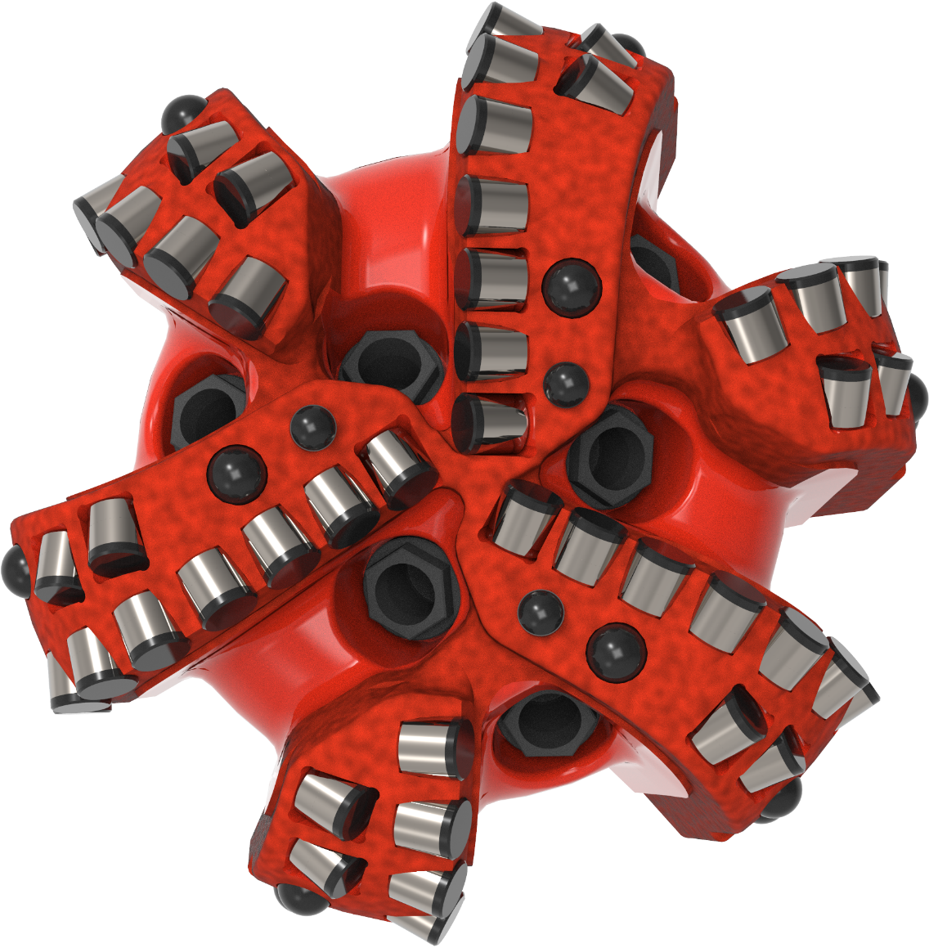
 |  |  |  |  |  |  |  |  |  | 4.49 days

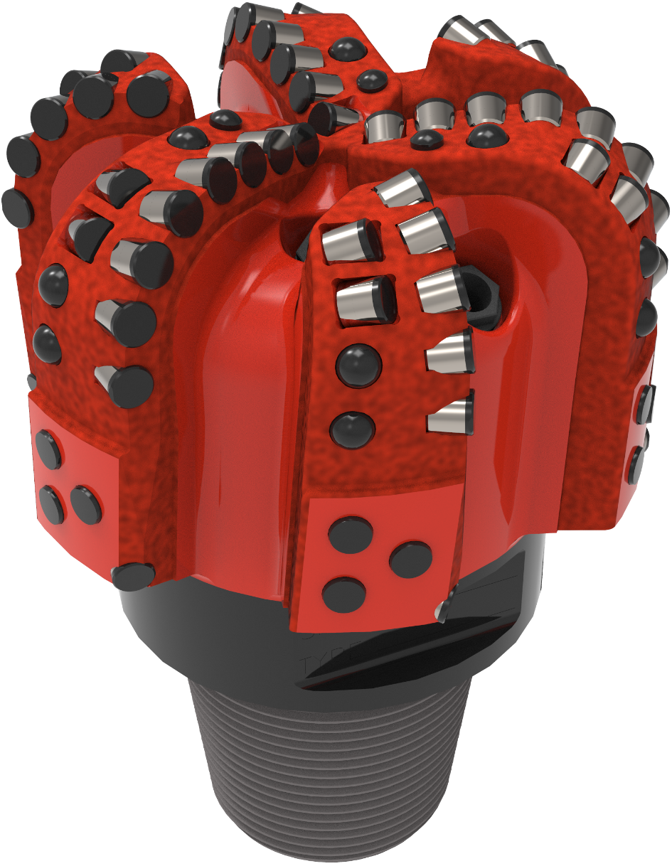

 | ROP | (hrs)
700 | 300 | 0.0
1,520 | 300 | 2.7
1,750 | 225 | 3.8
2,750 | 225 | 8.2
2,800 | 187.5 | 8.5
3,050 | 187.5 | 9.8
3,200 | 167.5 | 10.7
3,750 | 167.5 | 14.0
5,500 | 167.5 | 24.4
5,800 | 155 | 26.4
6,015 | 142.5 | 27.9
7,795 | 155 | 39.4
9,154 | 170 | 47.3
9,320 | 150 | 48.5
10,630 | 155 | 56.9
11,279 | 140 | 61.5
11,868 | 110 | 66.9
11,924 | 142.5 | 67.3
20,000 | 200 | 107.7

 |  |  |  |  |  |  |  |  |  |  |  | 5132

